Cover
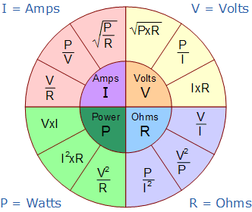

RSGC ACES
TEL3M
 | Excel Worksheets
 | Everyone, not just engineers, should possess strong Word and Excel Skills

Resistor Circuit
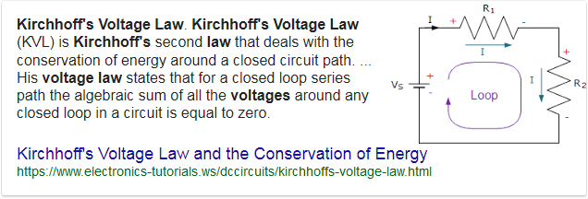
Resistor Circuit Analysis |  | RSGC ACES
Date: | 2018-02-14
Author: | Student Name
Circuit: | Your First (Resistor) Circuit
Description: | Closed loop consisting of a single resistor
Reference: | p. 17
Voltage
Source Voltage (Measured with DMM): |  | (V)
Resistance
Resistance (Measured with DMM) |  | (Ω) | Waterfall Model (Voltage Remaining)
Current
Current (Voltage/Resistance) |  | (I) | 9V (Source)
Power |  |  | Resistor | ? V
Resulting Power: |  | (W)
Is a 1/4W fixed resistance sufficient?:
 |  |  |  |  | 0V (GND)

SUMMARY: What is SAFE the Minimum Resistor ?

Concept | Value | Units |  | Here's the Math…
Maximum Power Rating for this Resistor? |  | W | Power | W=I×V | (1)
Voltage Drop |  | V | Ohm's Law | I=V/R | (2)
 |  |  | Power | W=V^2/R | Sub (2) into (1)
Minimum Resistor |  | Ω | Resistance | R=V^2/W | Solve for R

LED Circuit
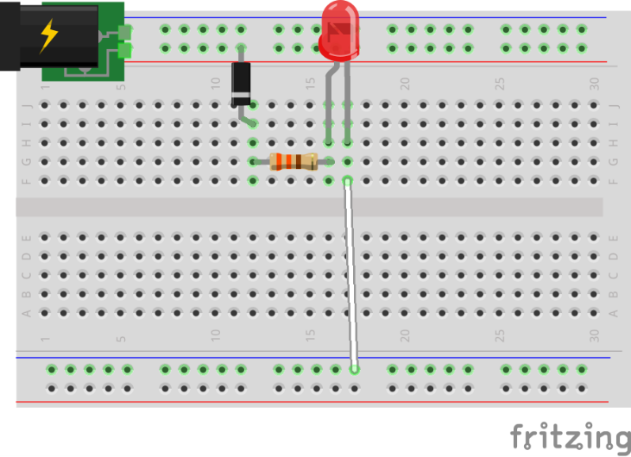
LED Circuit Analysis |  | RSGC ACES
Date: | 2018-02-14
Author: | Student Name
Circuit: | Your Second (LED+Resistor) Circuit
Description: | Serial arrangement of components designed to light an LED
Reference: | p. 21
Circuit: Your Second (LED+Resistor) Circuit
Reference: | p. 21
Description: | Serial arrangement of components designed to light an LED
Source Voltage: |  | (V)
Required Current: |  | (A) | (From LED datasheet)
Voltage Requirements of Components
Source Voltage: |  | (V) |  | 9V | Waterfall Model (Voltage Remaining)
1N400n Power Diode: |  | (V) |  | Diode | ? V
5mm Red LED: |  | (V) |  |  | Resistor | ? V
Subtotal |  | (V)
Resistor Details
Voltage to be Consumed: |  | (V)
Optimal Resistance: |  | (Ω) |  |  |  | RED LED | ? V
Resulting Power: |  | (W) |  |  |  |  |  | 0V (GND)
Is a 1/4W fixed resistance sufficient?:

Supply the contents for each commented cell

