LED Circuit
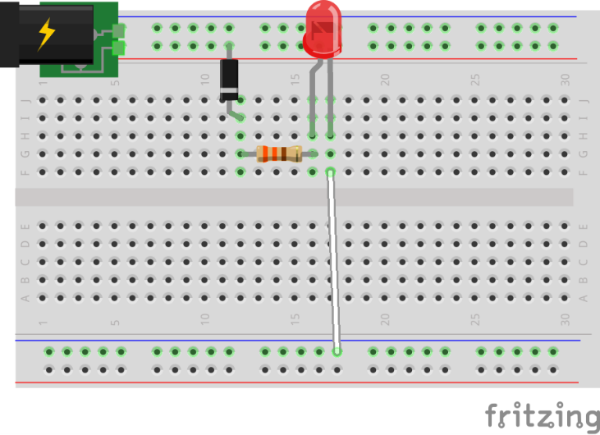
TEL3M Circuit Analysis Worksheet |  | RSGC ACES
Date: | 2019-09-26
Author: | Student Name
Circuit: | Your Second (LED+Resistor) Circuit
Description: | Serial arrangement of components designed to light an LED
Reference: | p. 21
Circuit: Your Second (LED+Resistor) Circuit
Reference: | p. 21
Description: | Serial arrangement of components designed to light an LED
Source Voltage: |  | (V)
Required Current: |  | (A) | (From LED datasheet)
Voltage Requirements of Components
Source Voltage: |  | (V) |  | Waterfall Model (Voltage Remaining)
1N400n Power Diode: |  | (V)
5mm Red LED: |  | (V)
Subtotal |  | (V)
Resistor Details
Voltage to be Consumed: |  | (V) |  |  | ?
Optimal Resistance: |  | (Ω)
Resulting Power: |  | (W) |  |  |  | 0V (Ground)
Is a 1/4W fixed resistance sufficient?:

Supply the contents for each commented cell

