Sheet1
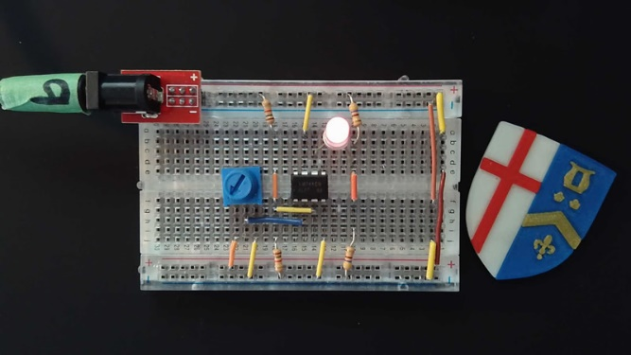
RSGC ACES | ICS2O - Spring 2021 |  |  | Voltage
Introducing the LM741 Operational Amplifier as a Comparator |  |  |  | 0
Select a value from either of the two Input lists… |  |  |  | 1
 |  |  |  | 2
 | Input | Processor | Output | 3
inverting (-) | 1 | - | 0 | 4
non-inverting(+) | 5 | + |  | 5
 | Voltage | LM741 | Voltage | 6
 |  | As Comparator |  | 7
 |  |  |  | 8
 |  |  |  | 9

