Welcome
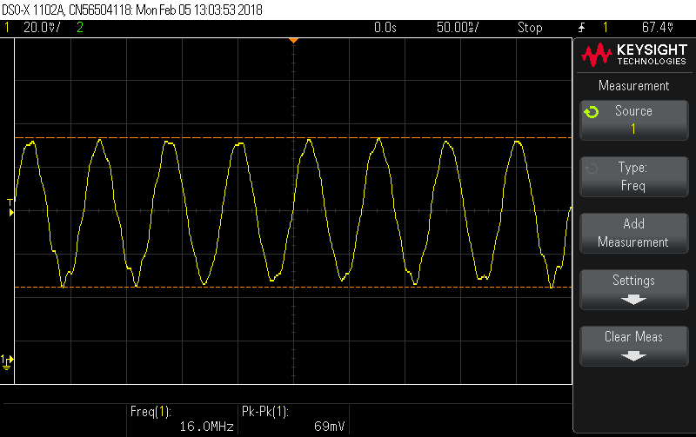
RSGC ACES
ICS4U Timer Interrupt Worksheets

DDBv6: | ATtiny84
Date: | 2021 03 11

Internal Clk: | 8 MHz Crystal
Scope Trace Capture: | E. McAuliffe (ACES '18)

Assembled by: | C. D'Arcy
Last Update: | 2021 03 11

Common Waveforms:

Frequency Formula
