DS1307RTC
RSGC ACES: | Support for DS1307 RTC Square Wave Frequency Investigation
Created: | 2021 12 01
Update: | 2022 02 02

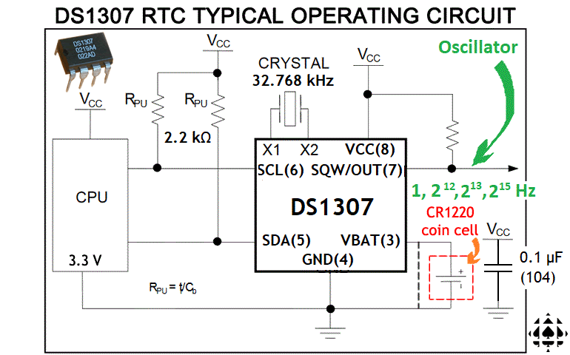
Decimal | Binary | Comments
0 | 0000000000000000 | 0. Page 9 of the DS1307 RTC datasheet discusses programming of its SQW pin through Register 7 (07h or 0x07)
1 | 0000000000000001 | http://darcy.rsgc.on.ca/ACES/Datasheets/DS1307.pdf#page=9
2 | 0000000000000010
3 | 0000000000000011 | 1. Indications are that 1, 4.096, 8.192, or 32.768 kHz frequency square signals can be achieved
4 | 0000000000000100 |  | Frequency (Hz) | Scaled | Counter Bit
5 | 0000000000000101 |  | 1 | clk/32768 | 15
6 | 0000000000000110 |  | 4096 | clk/8 | 3
7 | 0000000000000111 |  | 8192 | clk/4 | 2
8 | 0000000000001000 |  | 32768 | clk | 0
9 | 0000000000001001
10 | 0000000000001010 | 2. The DS1307 RTC is clocked by an external 32.768 kHz crystal
11 | 0000000000001011
12 | 0000000000001100 | 3. The oscillations are accumulated into a 15-bit (?) internal register
13 | 0000000000001101
14 | 0000000000001110 | 4. Examine the columns to the left that present equal counts in each of the two bases for the first 512 counts
15 | 0000000000001111
16 | 0000000000010000 | 5. Look at the frequency how the bits in each position change from one number to the next
17 | 0000000000010001
18 | 0000000000010010 | 6. Draw a conclusion of what the internal circuitry of the DS1307 RTC is presenting on its SQW pin
19 | 0000000000010011
20 | 0000000000010100
21 | 0000000000010101
22 | 0000000000010110
23 | 0000000000010111
24 | 0000000000011000
25 | 0000000000011001
26 | 0000000000011010
27 | 0000000000011011
28 | 0000000000011100
29 | 0000000000011101
30 | 0000000000011110
31 | 0000000000011111
32 | 0000000000100000
33 | 0000000000100001
34 | 0000000000100010
35 | 0000000000100011
36 | 0000000000100100
37 | 0000000000100101
38 | 0000000000100110
39 | 0000000000100111
40 | 0000000000101000
41 | 0000000000101001
42 | 0000000000101010
43 | 0000000000101011
44 | 0000000000101100
45 | 0000000000101101
46 | 0000000000101110
47 | 0000000000101111
48 | 0000000000110000
49 | 0000000000110001
50 | 0000000000110010
51 | 0000000000110011
52 | 0000000000110100
53 | 0000000000110101
54 | 0000000000110110
55 | 0000000000110111
56 | 0000000000111000
57 | 0000000000111001
58 | 0000000000111010
59 | 0000000000111011
60 | 0000000000111100
61 | 0000000000111101
62 | 0000000000111110
63 | 0000000000111111
64 | 0000000001000000
65 | 0000000001000001
66 | 0000000001000010
67 | 0000000001000011
68 | 0000000001000100
69 | 0000000001000101
70 | 0000000001000110
71 | 0000000001000111
72 | 0000000001001000
73 | 0000000001001001
74 | 0000000001001010
75 | 0000000001001011
76 | 0000000001001100
77 | 0000000001001101
78 | 0000000001001110
79 | 0000000001001111
80 | 0000000001010000
81 | 0000000001010001
82 | 0000000001010010
83 | 0000000001010011
84 | 0000000001010100
85 | 0000000001010101
86 | 0000000001010110
87 | 0000000001010111
88 | 0000000001011000
89 | 0000000001011001
90 | 0000000001011010
91 | 0000000001011011
92 | 0000000001011100
93 | 0000000001011101
94 | 0000000001011110
95 | 0000000001011111
96 | 0000000001100000
97 | 0000000001100001
98 | 0000000001100010
99 | 0000000001100011
100 | 0000000001100100
101 | 0000000001100101
102 | 0000000001100110
103 | 0000000001100111
104 | 0000000001101000
105 | 0000000001101001
106 | 0000000001101010
107 | 0000000001101011
108 | 0000000001101100
109 | 0000000001101101
110 | 0000000001101110
111 | 0000000001101111
112 | 0000000001110000
113 | 0000000001110001
114 | 0000000001110010
115 | 0000000001110011
116 | 0000000001110100
117 | 0000000001110101
118 | 0000000001110110
119 | 0000000001110111
120 | 0000000001111000
121 | 0000000001111001
122 | 0000000001111010
123 | 0000000001111011
124 | 0000000001111100
125 | 0000000001111101
126 | 0000000001111110
127 | 0000000001111111
128 | 0000000010000000
129 | 0000000010000001
130 | 0000000010000010
131 | 0000000010000011
132 | 0000000010000100
133 | 0000000010000101
134 | 0000000010000110
135 | 0000000010000111
136 | 0000000010001000
137 | 0000000010001001
138 | 0000000010001010
139 | 0000000010001011
140 | 0000000010001100
141 | 0000000010001101
142 | 0000000010001110
143 | 0000000010001111
144 | 0000000010010000
145 | 0000000010010001
146 | 0000000010010010
147 | 0000000010010011
148 | 0000000010010100
149 | 0000000010010101
150 | 0000000010010110
151 | 0000000010010111
152 | 0000000010011000
153 | 0000000010011001
154 | 0000000010011010
155 | 0000000010011011
156 | 0000000010011100
157 | 0000000010011101
158 | 0000000010011110
159 | 0000000010011111
160 | 0000000010100000
161 | 0000000010100001
162 | 0000000010100010
163 | 0000000010100011
164 | 0000000010100100
165 | 0000000010100101
166 | 0000000010100110
167 | 0000000010100111
168 | 0000000010101000
169 | 0000000010101001
170 | 0000000010101010
171 | 0000000010101011
172 | 0000000010101100
173 | 0000000010101101
174 | 0000000010101110
175 | 0000000010101111
176 | 0000000010110000
177 | 0000000010110001
178 | 0000000010110010
179 | 0000000010110011
180 | 0000000010110100
181 | 0000000010110101
182 | 0000000010110110
183 | 0000000010110111
184 | 0000000010111000
185 | 0000000010111001
186 | 0000000010111010
187 | 0000000010111011
188 | 0000000010111100
189 | 0000000010111101
190 | 0000000010111110
191 | 0000000010111111
192 | 0000000011000000
193 | 0000000011000001
194 | 0000000011000010
195 | 0000000011000011
196 | 0000000011000100
197 | 0000000011000101
198 | 0000000011000110
199 | 0000000011000111
200 | 0000000011001000
201 | 0000000011001001
202 | 0000000011001010
203 | 0000000011001011
204 | 0000000011001100
205 | 0000000011001101
206 | 0000000011001110
207 | 0000000011001111
208 | 0000000011010000
209 | 0000000011010001
210 | 0000000011010010
211 | 0000000011010011
212 | 0000000011010100
213 | 0000000011010101
214 | 0000000011010110
215 | 0000000011010111
216 | 0000000011011000
217 | 0000000011011001
218 | 0000000011011010
219 | 0000000011011011
220 | 0000000011011100
221 | 0000000011011101
222 | 0000000011011110
223 | 0000000011011111
224 | 0000000011100000
225 | 0000000011100001
226 | 0000000011100010
227 | 0000000011100011
228 | 0000000011100100
229 | 0000000011100101
230 | 0000000011100110
231 | 0000000011100111
232 | 0000000011101000
233 | 0000000011101001
234 | 0000000011101010
235 | 0000000011101011
236 | 0000000011101100
237 | 0000000011101101
238 | 0000000011101110
239 | 0000000011101111
240 | 0000000011110000
241 | 0000000011110001
242 | 0000000011110010
243 | 0000000011110011
244 | 0000000011110100
245 | 0000000011110101
246 | 0000000011110110
247 | 0000000011110111
248 | 0000000011111000
249 | 0000000011111001
250 | 0000000011111010
251 | 0000000011111011
252 | 0000000011111100
253 | 0000000011111101
254 | 0000000011111110
255 | 0000000011111111
256 | 0000000100000000
257 | 0000000100000001
258 | 0000000100000010
259 | 0000000100000011
260 | 0000000100000100
261 | 0000000100000101
262 | 0000000100000110
263 | 0000000100000111
264 | 0000000100001000
265 | 0000000100001001
266 | 0000000100001010
267 | 0000000100001011
268 | 0000000100001100
269 | 0000000100001101
270 | 0000000100001110
271 | 0000000100001111
272 | 0000000100010000
273 | 0000000100010001
274 | 0000000100010010
275 | 0000000100010011
276 | 0000000100010100
277 | 0000000100010101
278 | 0000000100010110
279 | 0000000100010111
280 | 0000000100011000
281 | 0000000100011001
282 | 0000000100011010
283 | 0000000100011011
284 | 0000000100011100
285 | 0000000100011101
286 | 0000000100011110
287 | 0000000100011111
288 | 0000000100100000
289 | 0000000100100001
290 | 0000000100100010
291 | 0000000100100011
292 | 0000000100100100
293 | 0000000100100101
294 | 0000000100100110
295 | 0000000100100111
296 | 0000000100101000
297 | 0000000100101001
298 | 0000000100101010
299 | 0000000100101011
300 | 0000000100101100
301 | 0000000100101101
302 | 0000000100101110
303 | 0000000100101111
304 | 0000000100110000
305 | 0000000100110001
306 | 0000000100110010
307 | 0000000100110011
308 | 0000000100110100
309 | 0000000100110101
310 | 0000000100110110
311 | 0000000100110111
312 | 0000000100111000
313 | 0000000100111001
314 | 0000000100111010
315 | 0000000100111011
316 | 0000000100111100
317 | 0000000100111101
318 | 0000000100111110
319 | 0000000100111111
320 | 0000000101000000
321 | 0000000101000001
322 | 0000000101000010
323 | 0000000101000011
324 | 0000000101000100
325 | 0000000101000101
326 | 0000000101000110
327 | 0000000101000111
328 | 0000000101001000
329 | 0000000101001001
330 | 0000000101001010
331 | 0000000101001011
332 | 0000000101001100
333 | 0000000101001101
334 | 0000000101001110
335 | 0000000101001111
336 | 0000000101010000
337 | 0000000101010001
338 | 0000000101010010
339 | 0000000101010011
340 | 0000000101010100
341 | 0000000101010101
342 | 0000000101010110
343 | 0000000101010111
344 | 0000000101011000
345 | 0000000101011001
346 | 0000000101011010
347 | 0000000101011011
348 | 0000000101011100
349 | 0000000101011101
350 | 0000000101011110
351 | 0000000101011111
352 | 0000000101100000
353 | 0000000101100001
354 | 0000000101100010
355 | 0000000101100011
356 | 0000000101100100
357 | 0000000101100101
358 | 0000000101100110
359 | 0000000101100111
360 | 0000000101101000
361 | 0000000101101001
362 | 0000000101101010
363 | 0000000101101011
364 | 0000000101101100
365 | 0000000101101101
366 | 0000000101101110
367 | 0000000101101111
368 | 0000000101110000
369 | 0000000101110001
370 | 0000000101110010
371 | 0000000101110011
372 | 0000000101110100
373 | 0000000101110101
374 | 0000000101110110
375 | 0000000101110111
376 | 0000000101111000
377 | 0000000101111001
378 | 0000000101111010
379 | 0000000101111011
380 | 0000000101111100
381 | 0000000101111101
382 | 0000000101111110
383 | 0000000101111111
384 | 0000000110000000
385 | 0000000110000001
386 | 0000000110000010
387 | 0000000110000011
388 | 0000000110000100
389 | 0000000110000101
390 | 0000000110000110
391 | 0000000110000111
392 | 0000000110001000
393 | 0000000110001001
394 | 0000000110001010
395 | 0000000110001011
396 | 0000000110001100
397 | 0000000110001101
398 | 0000000110001110
399 | 0000000110001111
400 | 0000000110010000
401 | 0000000110010001
402 | 0000000110010010
403 | 0000000110010011
404 | 0000000110010100
405 | 0000000110010101
406 | 0000000110010110
407 | 0000000110010111
408 | 0000000110011000
409 | 0000000110011001
410 | 0000000110011010
411 | 0000000110011011
412 | 0000000110011100
413 | 0000000110011101
414 | 0000000110011110
415 | 0000000110011111
416 | 0000000110100000
417 | 0000000110100001
418 | 0000000110100010
419 | 0000000110100011
420 | 0000000110100100
421 | 0000000110100101
422 | 0000000110100110
423 | 0000000110100111
424 | 0000000110101000
425 | 0000000110101001
426 | 0000000110101010
427 | 0000000110101011
428 | 0000000110101100
429 | 0000000110101101
430 | 0000000110101110
431 | 0000000110101111
432 | 0000000110110000
433 | 0000000110110001
434 | 0000000110110010
435 | 0000000110110011
436 | 0000000110110100
437 | 0000000110110101
438 | 0000000110110110
439 | 0000000110110111
440 | 0000000110111000
441 | 0000000110111001
442 | 0000000110111010
443 | 0000000110111011
444 | 0000000110111100
445 | 0000000110111101
446 | 0000000110111110
447 | 0000000110111111
448 | 0000000111000000
449 | 0000000111000001
450 | 0000000111000010
451 | 0000000111000011
452 | 0000000111000100
453 | 0000000111000101
454 | 0000000111000110
455 | 0000000111000111
456 | 0000000111001000
457 | 0000000111001001
458 | 0000000111001010
459 | 0000000111001011
460 | 0000000111001100
461 | 0000000111001101
462 | 0000000111001110
463 | 0000000111001111
464 | 0000000111010000
465 | 0000000111010001
466 | 0000000111010010
467 | 0000000111010011
468 | 0000000111010100
469 | 0000000111010101
470 | 0000000111010110
471 | 0000000111010111
472 | 0000000111011000
473 | 0000000111011001
474 | 0000000111011010
475 | 0000000111011011
476 | 0000000111011100
477 | 0000000111011101
478 | 0000000111011110
479 | 0000000111011111
480 | 0000000111100000
481 | 0000000111100001
482 | 0000000111100010
483 | 0000000111100011
484 | 0000000111100100
485 | 0000000111100101
486 | 0000000111100110
487 | 0000000111100111
488 | 0000000111101000
489 | 0000000111101001
490 | 0000000111101010
491 | 0000000111101011
492 | 0000000111101100
493 | 0000000111101101
494 | 0000000111101110
495 | 0000000111101111
496 | 0000000111110000
497 | 0000000111110001
498 | 0000000111110010
499 | 0000000111110011
500 | 0000000111110100
501 | 0000000111110101
502 | 0000000111110110
503 | 0000000111110111
504 | 0000000111111000
505 | 0000000111111001
506 | 0000000111111010
507 | 0000000111111011
508 | 0000000111111100
509 | 0000000111111101
510 | 0000000111111110
511 | 0000000111111111

AVR Watchdog
RSGC ACES: | Support for AVR Watchdog Timer/Counter
Created: | 2022 02 02
Clock: | 128K Internal Oscillator

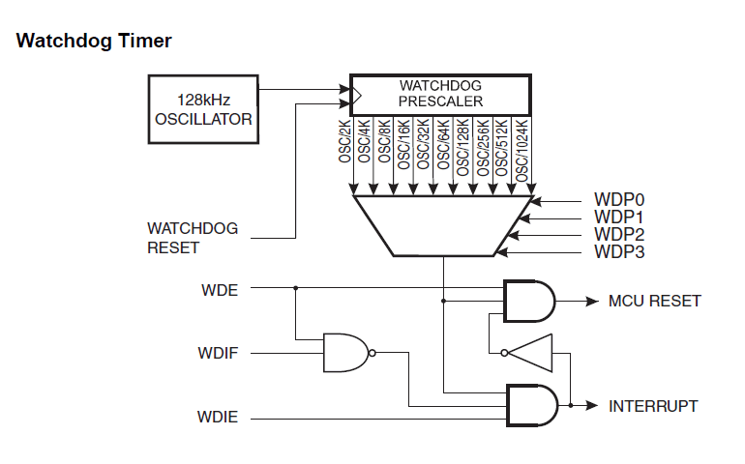
 | Counting in Binary Viewed as Frequency Division |  |  |  |  |  |  |  |  |  |  |  |  |  |  |  | freq

Binary | 0 | 0 | 0 | 0 | 0 | 0 | 0 | 0 | 1 | 1 | 1 | 1 | 1 | 1 | 1 | 1 | clk/8

 | 0 | 0 | 0 | 0 | 1 | 1 | 1 | 1 | 0 | 0 | 0 | 0 | 1 | 1 | 1 | 1 | clk/4

 | 0 | 0 | 1 | 1 | 0 | 0 | 1 | 1 | 0 | 0 | 1 | 1 | 0 | 0 | 1 | 1 | clk/2

 | 0 | 1 | 0 | 1 | 0 | 1 | 0 | 1 | 0 | 1 | 0 | 1 | 0 | 1 | 0 | 1 | clk

Decimal | 0 | 1 | 2 | 3 | 4 | 5 | 6 | 7 | 8 | 9 | 10 | 11 | 12 | 13 | 14 | 15

